Product Overview - Foundation
PRODUCT OVERVIEW & AI RISK ASSESSMENT
Texas Responsible AI Governance Act (TRAIGA) Compliance — Version 2.0

SECTION A — VENDOR & PRODUCT IDENTIFICATION
Vendor Name | Sample Vendor Name | Product / Solution Name | Sample Solution Name | Assessment Date | 2026-02-12
Texas Deployment Confirmation | Confirm whether the system(s) are developed, deployed, or used in Texas or by Texas residents. |  |  | Expected Data Classification | Restricted
SECTION B — PRODUCT DESCRIPTION
Product Overview | AI Components |  |  | AI Functions Subject to TRAIGA
Describe what the product does, its core value proposition, and how it operates. Include: • Primary function • How AI is used • End-user workflow • Key differentiators | List and describe each AI/ML component: • Component name • Technology type (ASR, NLP, LLM, CV, etc.) • Function within the system • Data inputs/outputs • Proprietary vs. third-party |  |  | Identify which AI functions are subject to TRAIGA: • Functions used in connection with health care, employment, credit, housing, or education • Disclosure requirements triggered • Potential prohibitions (bias, manipulation, social scoring) • Biometric data considerations

SECTION C — DEPLOYMENT & ENVIRONMENT
Deployment Model | Deployment Description |  | Environment / Hosting | Environment Details
Cloud SaaS / On-Premise / Hybrid / Other Describe integration points (EHR, APIs, SSO, etc.) | Describe deployment architecture: • Integration method • Epic/EHR connectivity • Mobile / web / desktop • Custom configuration required |  | Cloud Platform Compliance Certs Security Framework | Describe hosting environment: • Cloud platform (AWS/GCP/Azure) • Security certifications (SOC 2, HITRUST, FedRAMP) • Data residency • Network requirements • End-user device requirements

SECTION D — TECHNICAL RISK ASSESSMENT SUMMARY (JPS Internal Use Only)

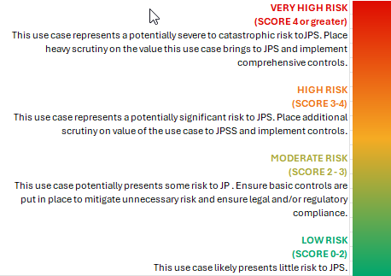
Risk Category | Average Score | Risk Level
AI Model - Bias | 0.00 | N/A
AI Model - Accuracy | 0.00 | N/A
AI Model - Scope | 0.00 | N/A
AI Model - Outdated Information | 0.00 | N/A
AI Model - Explainability | 0.00 | N/A
AI Model - Process | 0.00 | N/A
AI Model - Lifecycle Risk | 0.00 | N/A
AI Model - Data Dependency Risk | 0.00 | N/A
AI Model - Human-AI Interaction Risk | 0.00 | N/A
AI Model - Operational Risk | 0.00 | N/A
AI Model - Adaptability & Transferability Risk | 0.00 | N/A

OVERALL TECHNICAL RISK
Combined Risk Score: | 0.00
Risk Classification: | N/A

